Sheet1
Bill Summary for the project Bank Al Habib Center Point |  |  |  |  |  |  | MOBILIZATION ADVANCE |  | RETENTION AMOUNT
Contract Amount |  |  |  |  |  | 44,652,803 | Contract Amount | 44,652,803 | DEDUCTION IN IPC 2 | 1,639,518
Mobilizatin adv |  |  |  |  |  | 6,500,000 | 20% | 8,930,561 | DEDUCTION IN IPC 3 | 289,918

 |  | Mob 20% | IPC-02 | IPC-03 | IPC-03 |  | Less tax 7.5% | 669,792
RUNNING BILL NO 1 |  | 8,930,561 | 35,449,032 | 6,268,508 | 2,627,179 | 44,344,719 | Premium expenses | 105,185 | TOTAL RECEIVABLE | 1,929,436
 |  |  |  |  |  |  | Cash margin refundable 15% | 1,339,584
Less Tax | 7.5% | 669,792 | 2,658,677 | 470,138 | 197,038 | 3,325,854 | Total deductions | 2,114,561
Premiun expenses |  | 105,185
Cash margin 15% |  | 1,339,584 |  |  |  |  |  | 6,815,999
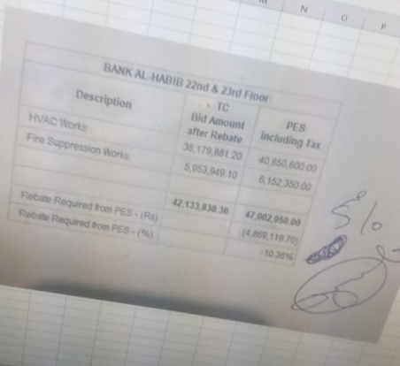
 |  |  |  |  |  |  | Received | 6,500,000
Balance Payable |  | 6,815,999 | 32,790,355 | 5,798,370 | 2,430,141 | 41,018,865 | Remaining | 315,999

Less Mobilization 20% | 20% |  | 6,558,071 | 1,159,674 | 486,028 | 8,203,773
Less Retention 5% | 5% |  | 1,639,518 | 289,918 | 121,507 | 2,050,943 | DEDUCTION
Payable Amount |  |  | 24,592,766 | 4,348,777 | 1,822,605 | 30,764,149 | DEDUCTION IN IPC 2 | 6,558,071
 |  |  |  |  |  |  | DEDUCTION IN IPC 3 | 1,159,674
Al ready received |  | 6,500,000 | 24,592,766 | 4,600,000 |  | 24,592,766

Net Payable |  | 315,999 | - | (251,223) | 1,822,605 | 1,887,382 | TOTAL | 7,717,745
 |  |  |  |  |  |  | Remaining | 1,212,816

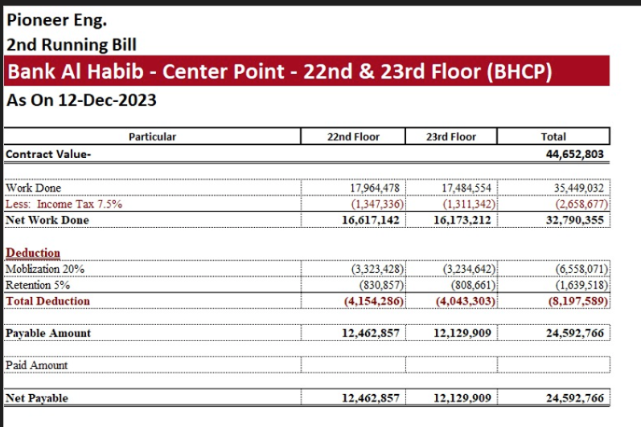
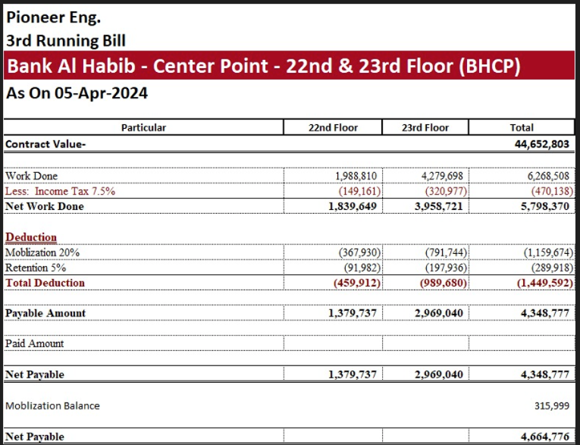
 |  |  |  |  |  |  |  |  |  | 7,717,745
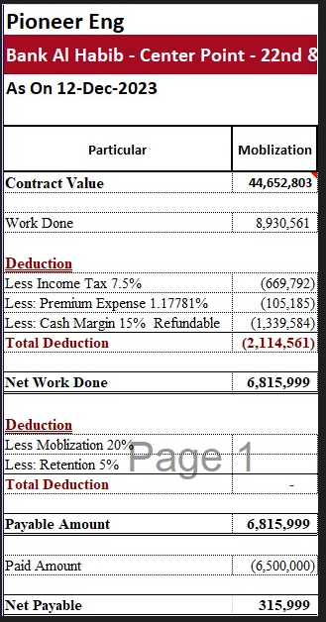

 |  |  |  |  |  |  |  |  | 41717540

 |  |  |  |  |  |  | 6815999
 |  |  |  |  |  |  | 24592766
 |  |  |  |  |  |  | 4664776
 |  |  |  |  |  |  | 36073541

